Sheet1
 | Name | BloodGroup | Role | Image
1 | Shaik Nayab Rasool | O+VE | Associate software engineer
2 | Siriyapu Reddy Amareswara Reddy | O+VE | Associate software engineer
3 | Challa Sai Krishna | B+VE | Associate software engineer
4 | Gopisetti Bala Ganesh | O+VE | Associate software engineer | 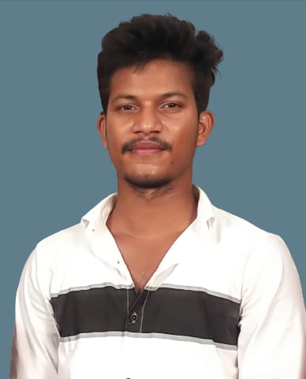
5 | Korukonda Kotaswamy | O+VE | Associate software engineer | 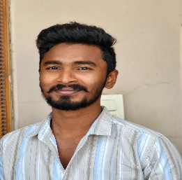
6 | M. Sai Jyothi | B+VE | Associate software engineer
7 | M. Sreelatha | B+VE | Associate software engineer
8 | Purandar N D | O+VE | Associate software engineer | 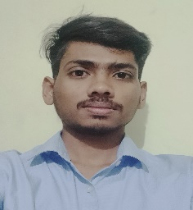
9 | G. Ramana | O+VE | Associate software engineer | 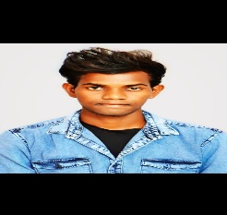
10 | A. Naveen | O+VE | Associate software engineer | 